PPOST REGULAR
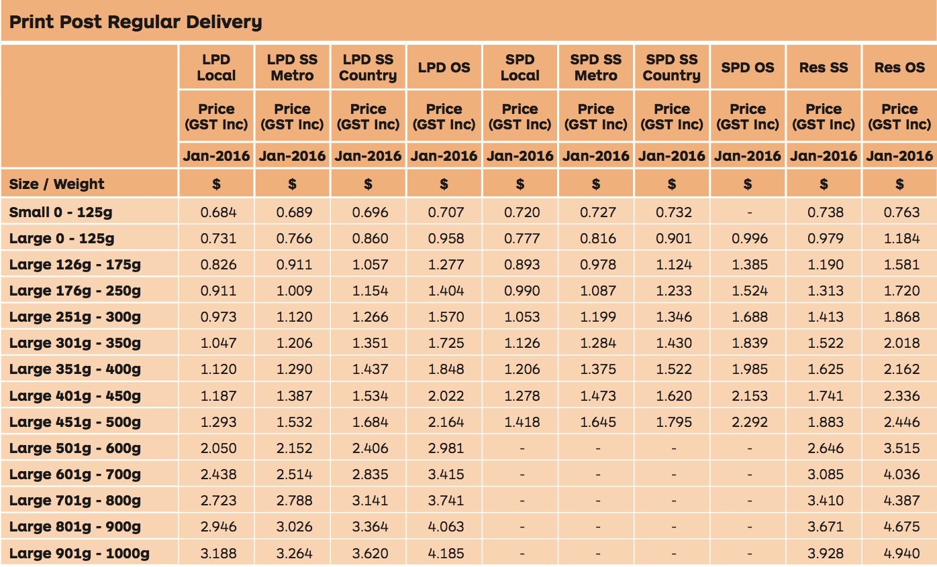

 |  |  |  | Regular Deliver Effective January 2016
 |  |  |  |  |  |  |  |  |  |  |  |  |  |  |  |  |  |  |  |  |  |  |  | Total
 |  |  |  | LPD local | increase on | LPD SS | Increase on | LPD SS | Increase on | LPD OS | Incrrease on | SPD local | Increase on | SPD SS | Increase on | SPD SS | Incrrease on | SPD OS |  | RES SS |  | RES OS |  | Avge %
 |  |  |  |  | October | Metro | October | countyr | October |  | October |  | October | metro | October | country | October |  |  |  |  |  |  | Increase
 |  |  |  | Jan-16 |  | Jan-16 |  | Jan-16 |  | Jan-16 |  | Jan-16 |  | Jan-16 |  | Jan-16 |  | Jan-16 |  | Jan-16 |  | Jan-16
 |  |  |  | 0.684 | 13% | 0.689 | 13% | 0.696 | 13% | 0.707 | 13% | 0.720 | 13% | 0.727 | 13% | 0.732 | 13% | 0 | 0% | 0.738 | 13% | 0.763 | 13% | 13
 |  |  |  | 0.731 | 11% | 0.766 | 11% | 0.860 | 11% | 0.958 | 11% | 0.777 | 11% | 0.816 | 11% | 0.901 | 11% | 0.996 | 11% | 0.979 | 11% | 1.184 | 7% | 10.4
 |  |  |  | 0.826 | 11% | 0.911 | 11% | 1.057 | 11% | 1.277 | 10% | 0.893 | 11% | 0.978 | 11% | 1.124 | 11% | 1.385 | 10% | 1.190 | 10% | 1.581 | 5% | 10.1
 |  |  |  | 0.911 | 11% | 1.009 | 11% | 1.154 | 10% | 1.404 | 10% | 0.990 | 11% | 1.087 | 10% | 1.233 | 10% | 1.524 | 10% | 1.313 | 10% | 1.720 | 5% | 9.9
 |  |  |  | 0.973 | 9% | 1.120 | 9% | 1.266 | 10% | 1.570 | 9% | 1.053 | 9% | 1.199 | 9% | 1.346 | 10% | 1.688 | 9% | 1.413 | 10% | 1.868 | 5% | 9
 |  |  |  | 1.047 | 10% | 1.206 | 10% | 1.351 | 9% | 1.725 | 10% | 1.126 | 10% | 1.284 | 9% | 1.430 | 9% | 1.839 | 10% | 1.522 | 9% | 2.018 | 5% | 9
 |  |  |  | 1.120 | 9% | 1.290 | 10% | 1.437 | 10% | 1.848 | 9% | 1.206 | 10% | 1.375 | 9% | 1.522 | 9% | 1.985 | 9% | 1.625 | 10% | 2.162 | 5% | 9
 |  |  |  | 1.187 | 10% | 1.387 | 9% | 1.534 | 9% | 2.022 | 9% | 1.278 | 10% | 1.473 | 10% | 1.620 | 10% | 2.153 | 10% | 1.741 | 9% | 2.336 | 5% | 9
 |  |  |  | 1.293 | 9% | 1.532 | 10% | 1.684 | 9% | 2.164 | 10% | 1.418 | 9% | 1.645 | 10% | 1.795 | 10% | 2.292 | 10% | 1.883 | 9% | 2.446 | 5% | 9
 |  |  |  | 2.050 | 4% | 2.152 | 5% | 2.406 | 5% | 2.981 | 4% | 0 |  | 0 |  | 0 |  | 0 |  | 2.646 | 5% | 3.515 | 3% | 4.16
 |  |  |  | 2.438 | 5% | 2.514 | 4% | 2.835 | 4% | 3.415 | 4% | 0 |  | 0 |  | 0 |  | 0 |  | 3.085 | 5% | 4.036 | 3% | 4.16
 |  |  |  | 2.723 | 4% | 2.788 | 4% | 3.141 | 4% | 3.741 | 4% | 0 |  | 0 |  | 0 |  | 0 |  | 3.410 | 5% | 4.387 | 3% | 4.16
 |  |  |  | 2.946 | 5% | 3.026 | 4% | 3.364 | 5% | 4.063 | 5% | 0 |  | 0 |  | 0 |  | 0 |  | 3.671 | 4% | 4.675 | 5% | 4.5
 |  |  |  | 3.188 | 4% | 3.264 | 5% | 3.620 | 5% | 4.185 | 4% | 0 |  | 0 |  | 0 |  | 0 |  | 3.928 | 4% | 4.940 | 3% | 4.16
 |  |  |  |  | 8% |  | 8% |  | 8% |  | 8% |  | 10% |  | 10% |  | 10% |  | 10% |  | 8% |  | 5% | 9%

History of The "Book Rate" Increases |  |  |  | The shaded area above is an indication as to where most of the publishers mail sits
 | Regular | Priority
Sep-08 | 2.8%
Jul-09 | 3.6% |  |  | LPD local = Large Postcode Direct LOCAL
Apr-11 | 3.1% |  |  | LPD SS Metro = Large Postcode Direct Same State Metro
Jul-12 | 3.8% |  |  | LPD SS Country = Large Postcode Direct Same State Country
Apr-13 | 4.1% |  |  | LPD OS = Large Postcode Direct Other States
Jun-14 | 3.0% | 7.00% |  | SPD Local = Small Postcode Direct Local
Mar-15 | 3.0% |  |  | SPD SS metro = Small Postcode Direct Same State Metro
Oct-15 | 5.1% | 7.7% |  | SPD SS country = Small Postcode Direct country
Jan-16 | 11.0% | 13% | Estimated Not Yet Approved by ACCC | SPD OS = Small Postcode Direct other states
 |  |  |  | RES SS = Residue Same State
 |  |  |  | RES OS = Residue Other States

Spreadsheet Author: David Sykes EO&E

PPOST PRIORITY
 |  |  | PRIORITY | PRIORITY |  |  | PRIORITY |  |  | PRIORITY |  |  | PRIORITY |  |  | PRIORITY
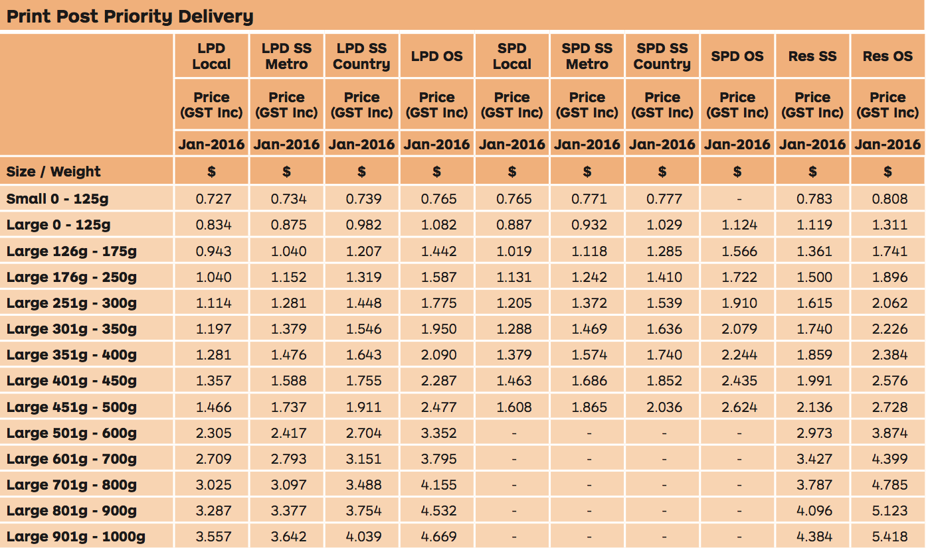

 |  |  |  |  | Priority Effective Jan 2016
 |  |  |  |  |  |  |  |  |  |  |  |  |  |  |  |  |  |  |  |  |  |  |  |  | Total
 |  |  |  |  | LPD local |  | LPD SS |  | LPD SS |  | LPD OS |  | SPD local |  | SPD SS |  | SPD SS |  | SPD OS |  | RES SS |  | RES OS |  | Avge %
 |  |  |  |  |  |  | Metro |  | countyr |  |  |  |  |  | metro |  | country |  |  |  |  |  |  |  | Increase
 |  |  |  |  | Jan-16 |  | Jan-16 |  | Jan-16 |  | Jan-16 |  | Jan-16 |  | Jan-16 |  | Jan-16 |  | Jan-16 |  | Jan-16 |  | Jan-16
 |  |  |  |  | 0.727 | 15% | 0.734 | 15% | 0.739 | 15% | 0.765 | 15% | 0.765 | 15% | 0.771 | 15% | 0.777 | 15% | 0 | 0% | 0.783 | 15% | 0.808 | 15% | 15
 |  |  |  |  | 0.834 | 13% | 0.875 | 13% | 0.982 | 13% | 1.082 | 13% | 0.887 | 13% | 0.932 | 13% | 1.029 | 13% | 1.124 | 13% | 1.119 | 13% | 1.311 | 8% | 12.7
 |  |  |  |  | 0.943 | 13% | 1.040 | 13% | 1.207 | 13% | 1.442 | 13% | 1.019 | 13% | 1.118 | 13% | 1.285 | 13% | 1.566 | 13% | 1.361 | 13% | 1.741 | 7% | 12.3
 |  |  |  |  | 1.040 | 13% | 1.152 | 13% | 1.319 | 13% | 1.587 | 13% | 1.1131 | 11% | 1.242 | 13% | 1.410 | 13% | 1.722 | 13% | 1.500 | 13% | 1.896 | 7% | 12.1
 |  |  |  |  | 1.114 | 12% | 1.281 | 12% | 1.448 | 12% | 1.775 | 12% | 1.205 | 12% | 1.372 | 12% | 1.539 | 12% | 1.910 | 12% | 1.615 | 12% | 2.062 | 6% | 11.4
 |  |  |  |  | 1.197 | 12% | 1.379 | 12% | 1.546 | 12% | 1.950 | 12% | 1.288 | 12% | 1.469 | 12% | 1.636 | 12% | 2.079 | 12% | 1.740 | 12% | 2.226 | 6% | 11.4
 |  |  |  |  | 1.281 | 12% | 1.476 | 12% | 1.643 | 12% | 2.090 | 12% | 1.379 | 12% | 1.574 | 12% | 1.740 | 12% | 2.244 | 12% | 1.859 | 12% | 2.384 | 6% | 11.4
 |  |  |  |  | 1.357 | 12% | 1.588 | 12% | 1.755 | 12% | 2.287 | 12% | 1.463 | 12% | 1.686 | 12% | 1.852 | 12% | 2.435 | 12% | 1.991 | 12% | 2.576 | 6% | 11.4
 |  |  |  |  | 1.466 | 12% | 1.737 | 12% | 1.911 | 12% | 2.477 | 12% | 1.608 | 12% | 1.865 | 12% | 2.036 | 12% | 2.624 | 12% | 2.136 | 12% | 2.728 | 6% | 11.4
 |  |  |  |  | 2.305 | 8% | 2.417 | 8% | 2.704 | 8% | 3.352 | 8% | 0 |  | 0 |  | 0 |  | 0 |  | 2.973 | 7% | 3.874 | 4% | 8.4
 |  |  |  |  | 2.709 | 8% | 2.793 | 8% | 3.151 | 8% | 3.795 | 8% | 0 |  | 0 |  | 0 |  | 0 |  | 3.427 | 7% | 4.399 | 4% | 8.4
 |  |  |  |  | 3.025 | 7% | 3.097 | 7% | 3.488 | 7% | 4.155 | 8% | 0 |  | 0 |  | 0 |  | 0 |  | 3.787 | 7% | 4.785 | 5% | 8.4
 |  |  |  |  | 3.287 | 7% | 3.377 | 8% | 3.754 | 8% | 4.532 | 7% | 0 |  | 0 |  | 0 |  | 0 |  | 4.096 | 8% | 5.123 | 5% | 8.4
 |  |  |  |  | 3.557 | 7% | 3.642 | 7% | 4.039 | 8% | 4.669 | 8% | 0 |  | 0 |  | 0 |  | 0 |  | 4.384 | 8% | 5.418 | 5% | 13.6
 |  |  |  |  |  | 11% |  | 11% |  | 11% |  | 11% |  | 13% |  | 13% |  | 13% |  | 12% |  | 11% |  | 6% | 11.1%

History of The "Book Rate" Increases |  |  |  |  | The shaded area above is an indication as to where most of the publishers mail sits
 | Regular | Priority
Sep-08 | 2.8%
Jul-09 | 3.6% |  |  |  | LPD local = Large Postcode Direct LOCAL
Apr-11 | 3.1% |  |  |  | LPD SS Metro = Large Postcode Direct Same State Metro
Jul-12 | 3.8% |  |  |  | LPD SS Country = Large Postcode Direct Same State Country
Apr-13 | 4.1% |  |  |  | LPD OS = Large Postcode Direct Other States
Jun-14 | 3.0% | 7.00% |  |  | SPD Local = Small Postcode Direct Local
Mar-15 | 3.0% |  |  |  | SPD SS metro = Small Postcode Direct Same State Metro
Oct-15 | 5.1% | 7.7% |  |  | SPD SS country = Small Postcode Direct country
Jan-16 | 11.0% | 13% | Estimated Not Yet Approved by ACCC |  | SPD OS = Small Postcode Direct other states
 |  |  |  |  | RES SS = Residue Same State
 |  |  |  |  | RES OS = Residue Other States

Spreadsheet Author: David Sykes EO&E

